Marketing Plan Data
Go to Project plan
Project plan
Marketing Plan Lists |  | Status Color Legend & Toggle
 |  | Not Started | In Progress | Delayed | Complete
 |  | ON | ON | ON | ON

Task | Status | Actual Start Date | Actual End Date | Anticipated Start Date | Anticipated End Date
MPLABX project create | Complete | 25.10.2022 | 25.10.2022
investigating LNET watchView part | Complete | 25.10.2022 | 27.10.2022
investigating ElfFile | Complete | 27.10.2022 | 05.11.2022
Creating Elfparser using pyelftool | Complete | 05.11.2022 | 8.11.2022
creating elfparser to get address and size of variable | Complete | 08.11.2022 | 15.11.2022
Creating Get Ram Block | Complete | 15.11.2022 | 28.11.2022
Creating Put Ram block | Complete | 28.11.2022 | 1.12.2022
Creating floating point interpreter based on variable data type from elf file for get ram block and put ram block | Delayed | 1.12.2022
Creating simple GUI to select port, Baudrate… | Complete | 4.12.2022 | 10.12.2022
Creating Tabs, First tab is Serial Setup and adding WatchView to Second tab | Complete | 11.12.2022 | 15.12.2022
Creating Watch view and adding live button and changeable sampling time | Complete | 16.12.2022 | 23.12.2022
working on bugs fixing | Complete | 23.12.2022 | 23.01.2023
Creating Serial Handshake for serial port Verification | Complete | 20.01.2023 | 24.01.2023
Setting up the structure in a way that we can change protocol accordingly from Serial to TCP/IP CAN… | Complete | 31.01.2023 |  | 28.01.2023 | 2.02.2023
Understanding X2Cscope Scope Data | In Progress
Implementing Getblock data | Delayed
implementing Load paramater ID | Not Started
implementing Save parameter ID | Not Started
implementing PutBlock data | Not Started
implementing Scope Data from X2Cscope | Not Started
Visualising the ScopeData in GUI | Not Started
Making executable file from the GUI | Not Started
investigating MCAF and Creating custom GUI in accordance to the MCAF | Not Started
implementing reference name like in MCAF | Not Started
Creating Generic GUI for motor control application (Selectable Variable) | Not Started
Creating Generic GUI for motor control application (Fixed Variable) | Not Started

Structuring the whole project in modulated way |  | 02.02.2023 |  | 01.02.2023 | 20.02.2023
1. including Serial with the correct comments | Complete | 02.02.2023 | 28.02.2023 | 02.02.2023 | 20.02.2023
2. including LNET frame | Complete | 02.02.2023 | 01.03.2023 | 02.02.2023 | 20.02.2023
3. including get_ram() in LNet | Complete | 02.02.2023 | 02.03.2023 | 02.02.2023 | 20.02.2023
4. while calling the Lnet frame, providing it with Size, address, Service-Id to setup the whole request frame and send it to the LNET where it will send it to the serial and receive response from the serial | Complete | 06.02.2023 | 12.02.2023 | 06.02.2023 | 06.02.2023
5. Working on deserialize and LNET | Complete | 13.05.2023 | 22.05.2023 | 13.04.2023 | 23.04.2023
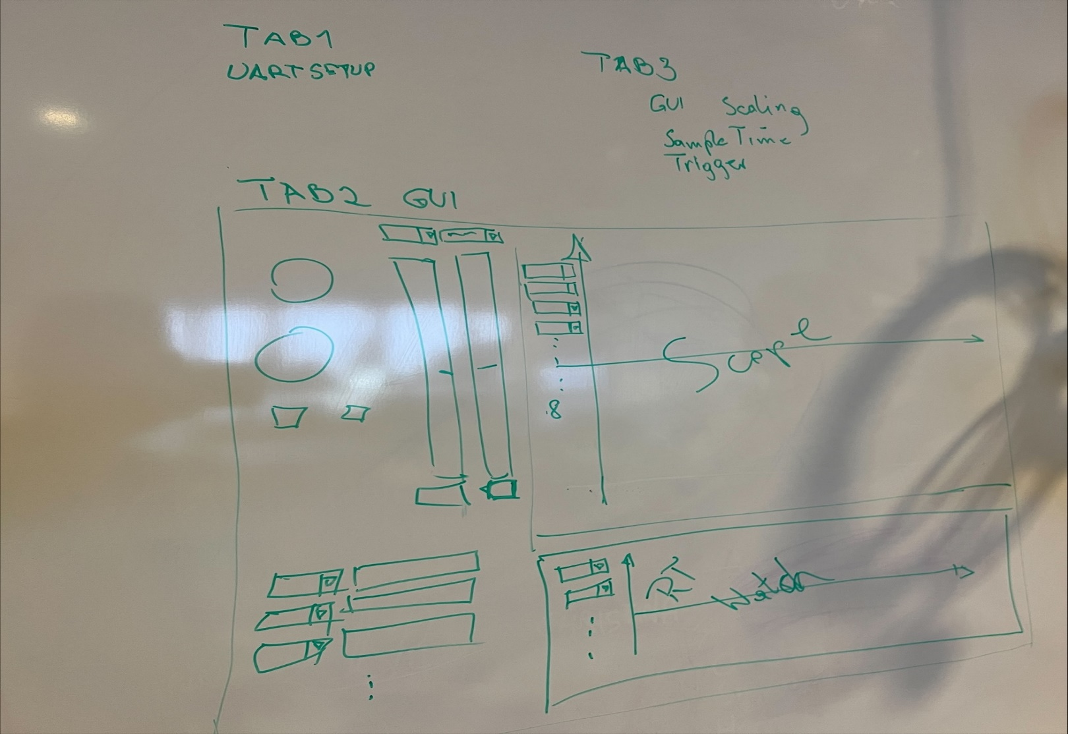
6. Elf_parser Path Setup from init | In Progress | 13.02.2023 |  | 13.02.2023 | 20.02.2023
7. Put ram block to work with blinky | Complete | 28.02.2023
8. Logging instead of print in the whole project | Complete
9. Get device ID framework | Complete | 15.05.2023 |  |  | 28.05.2023
10. Serial Handshake | Complete | 23.05.2023 |  |  | 28.05.2023
10. Parsing the debug information from the elf file 32 bit | Complete
11. Minimal GUI to start GET ram and PUT ram | Complete | 23.05.2023
12. Address lenth should be dynamic | Complete
13. Checking for XC32 for elf file functionality | Complete
14. pip installation for the library of PyX2Cscope | In Progress
15. Replace list handling to byte array | In Progress
16. 32-bit microcontroller testing | Complete
17. Updating GUI to plot the Variable | In Progress
18. Checking for 16 bit ELF parser to work with pyelftools | Complete | Not gonna work
19. Parsing the debug information from the elf file 16 bit using xc16-readelf.exe and parse information from text | In Progress
20. documentation for LNET frame and pyX2Cscope readme.md separate | In Progress
21. preapre structure return to be able to use them better | Not Started

Project Description
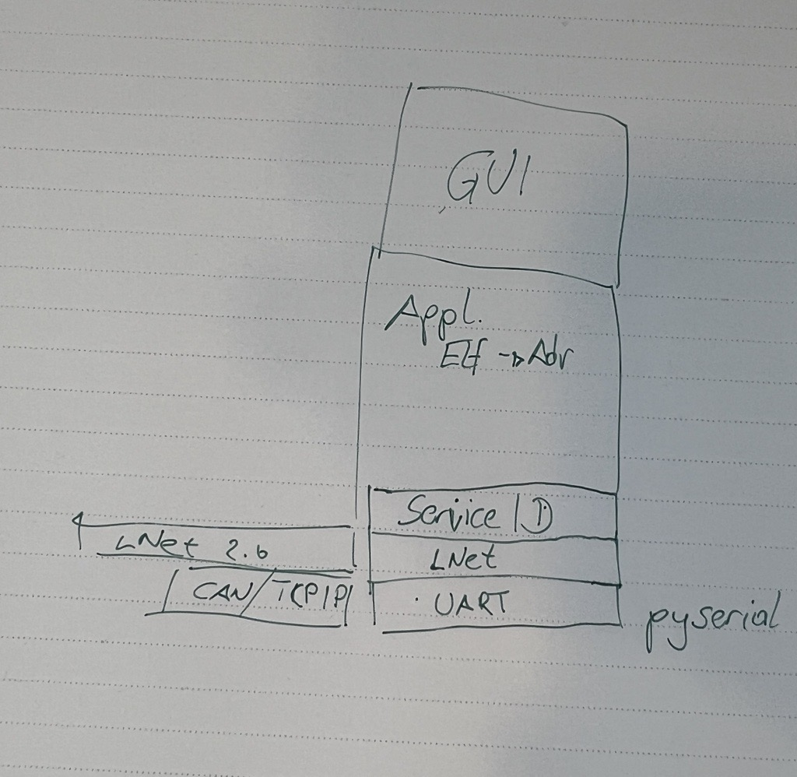
Go to Project plan
The project is a Python GUI application that is designed to have Watch View and Scope view to visualize data using a custom serial setup. The application is built using PyQt5 library to create the GUI. pySerial library is used to handle communication with the serial device. The data received from the serial device would then be parsed and displayed in a visually appealing way using a library such as matplotlib. The goal of the project is to make it easy for users to view and analyze data from the serial device in a user-friendly interface. this is implemented using Elf_parser to get the symbol address and the size of the variable in order to be able to communicate with the microcontroller.
Plan Lists
Marketing Plan Data
Project Description

Problem Statement
The problem statement is to establish a custom serial communication with a microcontroller and use PyQt5 to visualize the data received in real-time. The steps to achieve this are as follows:
1. Configure the serial settings to match the desired baud rate, number of data bits, parity, and stop bits.
2.Use PySerial to establish a serial connection with the microcontroller and configure it to use the custom serial settings.
3.Continuously read data from the microcontroller and process it as needed.
4.Use PyQt5 to create a GUI that can display the processed data in a user-friendly format, such as a real-time graph (ScopeView) or text field (Watch View) with custom Sample Rate.
5.Implement error handling to ensure that the program can gracefully handle any issues that may arise during the communication and visualization process.
6.Continuously update the GUI with the new data received from the microcontroller.

